Defect Report
Author | Nguyen Trong Kha
Project | Final

Defect_ID | Description | PRE-CONDITION | STEPS TO REPRODUCE | TEST_DATA | EXPECTED RESULT | Actual Result | Note | Priority | Severity | Testcase_Id | Image
DF_Final_001 | The system didn't auto fix invalid quantity in Qty textbox after three times input | User already login, add 1 product to cart and go to SHOPPING-CART SUMMARY page: http://automationpractice.com/index.php?controller=order | 1. Input into Qty textbox invalid quantity the first time | 1. "-1" | Textbox auto replace -1 by the last valid quantity | Textbox auto replace -1 by the last valid quantity
 |  |  | 2. Input into Qty textbox invalid quantity the second time | 2. "-1" | Textbox auto replace -1 by the last valid quantity | Textbox auto replace -1 by the last valid quantity
 |  |  | 3. Input into Qty textbox invalid quantity the last time | 3. "-1" | Textbox auto replace -1 by the last valid quantity | Textbox didn't replace -1 by the last valid quantity anymore |  | Low | Low | TC_Final_003 | 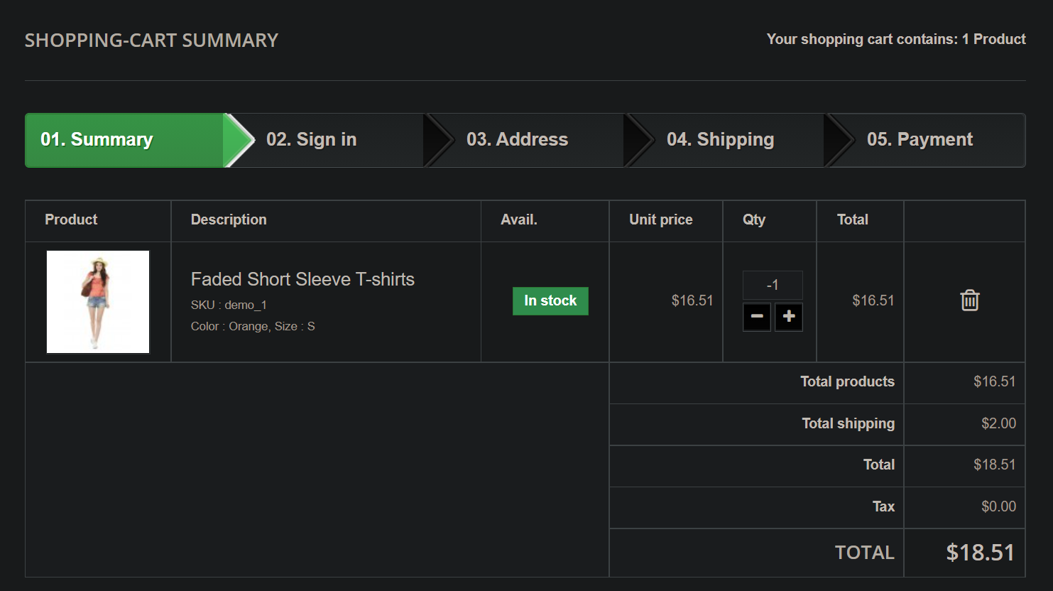
DF_Final_002 | The Wishlist's created date is not correct | User already login, add 1 product to wishlist | 1. Navigate to My Wishlist page: http://automationpractice.com/index.php?fc=module&module=blockwishlist&controller=mywishlist
 |  |  | 2. Verify wishlist created date |  | The created date is same as current date | The creared date always 2021-12-09 |  | Low | Low | TC_Final_005 | 